Executive Summary
QuickCart Customer Feedback Intelligence Report
Generated on: 2026-06-13 11:18:39 | Data Source: SQLite DB
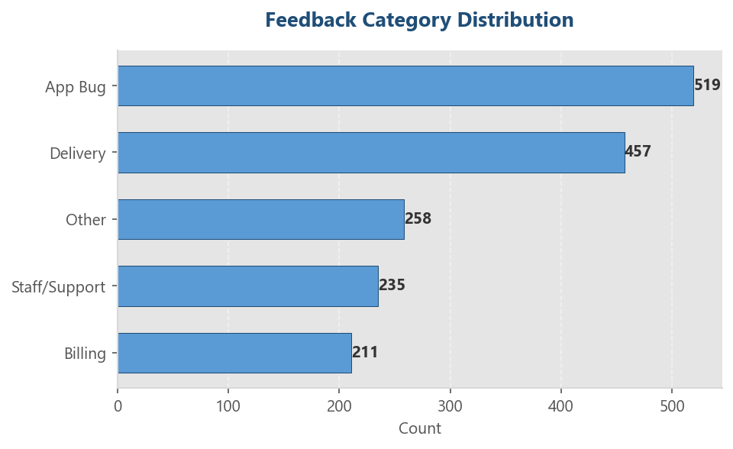
TOTAL FEEDBACKS | POSITIVE RATE | NEGATIVE RATE | TOP COMPLAINT CAT
1,680 | 15.6% | 27.6% | Billing

Category Distribution Analysis
Category | Count | Percentage
App Bug | 519 | 30.9%
Delivery | 457 | 27.2%
Other | 258 | 15.4%
Staff/Support | 235 | 14.0%
Billing | 211 | 12.6%

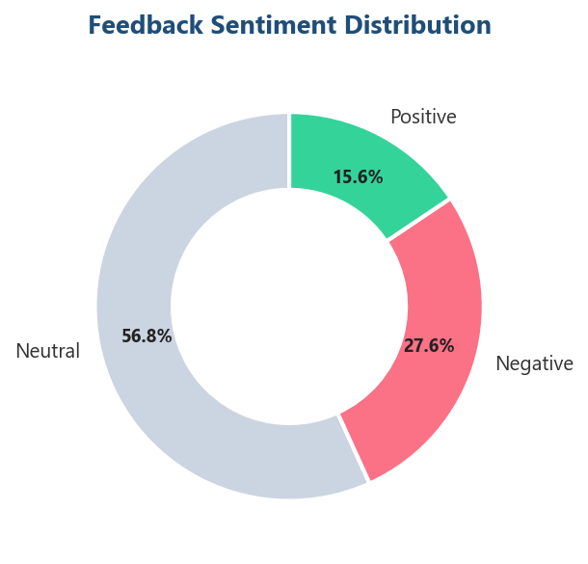
Sentiment Distribution Analysis
Sentiment | Count | Percentage
Neutral | 954 | 56.8%
Negative | 464 | 27.6%
Positive | 262 | 15.6%

